Sheet1
Variable | Type | Distinct |  | Samples
Coverage | Factor | 3 | levels | Basic | Extended | Premium |  |  |  | Plot
Customer | Factor | 9134 | levels
Education | Factor | 5 | levels | Bachelor | College | Doctor | High School or Below | Master
Effective.To.Date | Factor | 59 | levels | Date
EmploymentStatus | Factor | 5 | levels | Disabled | Employed | Medical Leave | Retired | Unemployed
Gender | Factor | 2 | levels | F | M
Location.Code | Factor | 3 | levels | Rural | Suburban | Urban
Marital.Status | Factor | 3 | levels | Divorced | Married | Single
Policy | Factor | 9 | levels | Corporate L1,..
Policy.Type | Factor | 3 | levels | Corporate Auto | Personal Auto | Special Auto
Renew.Offer.Type | Factor | 4 | levels | Offer1 | Offer2 | Offer3 | Offer4
Response | Factor | 2 | levels | No | Yes
Sales.Channel | Factor | 4 | levels | Agent | Branch | Call Center | Web
State | Factor | 5 | levels | Arizona | California | Nevada | Oregon | Washington
Vehicle.Class | Factor | 6 | levels | Four-Door Car | Luxury Car | Luxury SUV | Sports Car | SUV | Two-Door Car
Vehicle.Size | Factor | 3 | levels | Large | Medsize | Small

 |  | Min. | 1st Qu. | Median | Mean | 3rd Qu. | Max | STd Dev | Skew
Income | int | 0 | 0 | 33890 | 37660 | 62320 | 99980 | 30379.9
Monthly.Premium.Auto | int | 61 | 68 | 83 | 93.22 | 109 | 298 | 34.40797 | Right
Months.Since.Last.Claim | int | 0 | 6 | 14 | 15.1 | 23 | 35 | 10.07326 | Right
Months.Since.Policy.Inception | int | 0 | 24 | 48 | 48.06 | 71 | 99 | 27.90599
Number.of.Open.Complaints | int | 0 | 0 | 0 | 0.3844 | 0 | 5 | 0.9103835 | Right
Number.of.Policies | int | 1 | 1 | 2 | 2.966 | 4 | 9 | 2.390182 | Right
Customer.Lifetime.Value | num | 1898 | 3994 | 5780 | 8005 | 8962 | 83330 | 6870.968 | Right
Total.Claim.Amount | num | 0.099 | 272.3 | 383.9 | 434.1 | 547.5 | 2893 | 290.5001 | Right

Income | 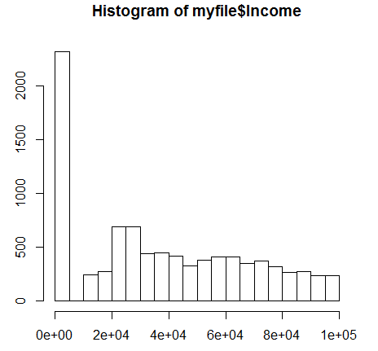
Monthly.Premium.Auto | 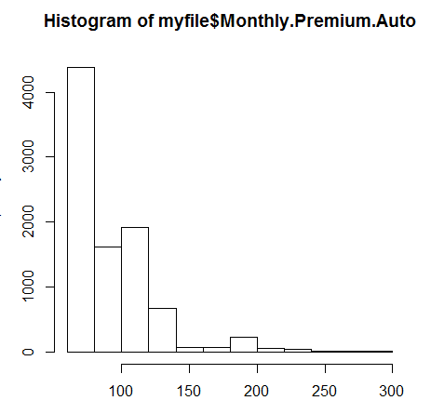
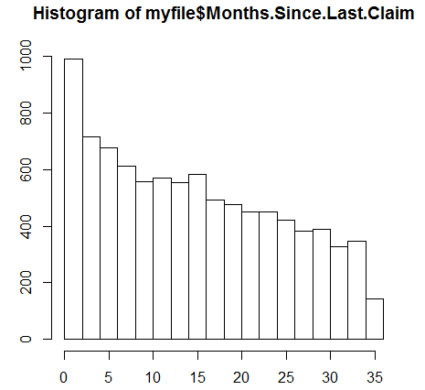 Months.Since.Last.Claim
Months.Since.Policy.Inception | 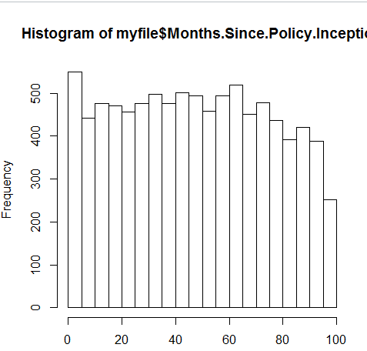
Number.of.Open.Complaints | 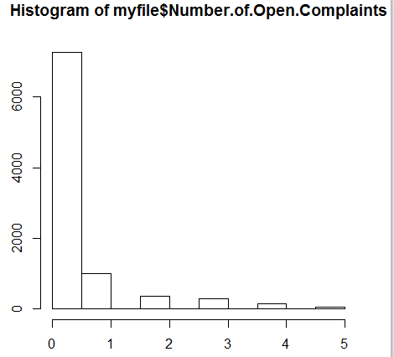
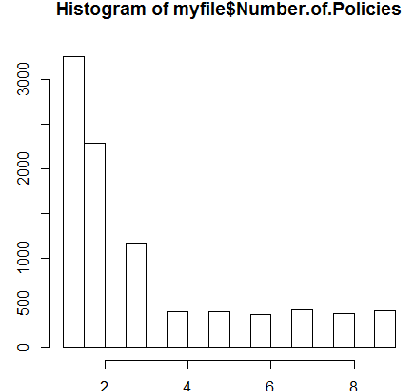 Number.of.Policies
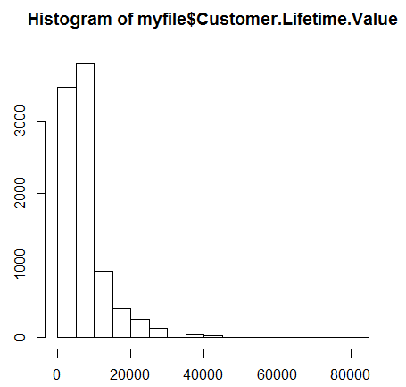 Customer.Lifetime.Value
Total.Claim.Amount

